Sheet1
Semester No. 1
Course Code | Title | Type | Pre Requisite | Credit Hours | Specialization
CS101 | Introduction to Computing | Required | Done | 3 (Theory:3, Practical:0)
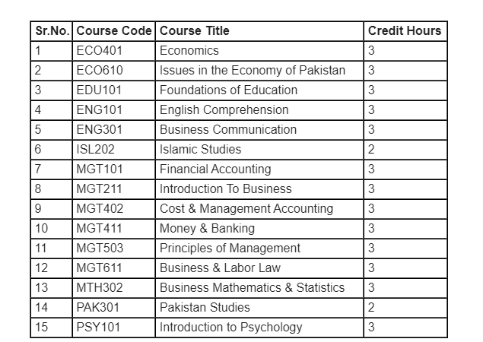
ENG101 | English Comprehension | Required | Done | 3 (Theory:3, Practical:0)
MGT211 | Introduction To Business | Required | Done | 3 (Theory:3, Practical:0)
MTH302 | Business Mathematics & Statistics | Required | Done | 3 (Theory:3, Practical:0)
SOC101 | Introduction to Sociology | Required | Done | 3 (Theory:3, Practical:0)
ETH202 | Ethics (for Non-Muslims) | Elective | Done | 2 (Theory:2, Practical:0)
ISL202 | Islamic Studies | Elective | Done | 2 (Theory:2, Practical:0)
VU001 | Introduction to e-Learning | Required | Done | 1 (Theory:1, Practical:0)

Semester No. 2
Course Code | Title | Type | Pre Requisite | Credit Hours | Specialization
ECO401 | Economics | Required | Done | 3 (Theory:3, Practical:0)
ENG201 | Business and Technical English Writing | Required | Done | 3 (Theory:3, Practical:0)
MGT101 | Financial Accounting | Required | Done | 3 (Theory:3, Practical:0)
MGT503 | Principles of Management | Required | Done | 3 (Theory:3, Practical:0)
PSY101 | Introduction to Psychology | Required | Done | 3 (Theory:3, Practical:0)
PAK301 | Pakistan Studies | Required | Done | 2 (Theory:2, Practical:0)

Semester No. 3
Course Code | Title | Type | Pre Requisite | Credit Hours | Specialization
MCM301 | Communication skills | Required | Done | 3 (Theory:3, Practical:0)
MGT111 | Introduction to Public Administration | Required | Done | 3 (Theory:3, Practical:0)
MGT301 | Principles of Marketing | Required | Done | 3 (Theory:3, Practical:0)
MGT401 | Financial Accounting II | Required |  | 3 (Theory:3, Practical:0)
MGT610 | Business Ethics | Required | Done | 3 (Theory:3, Practical:0)


Semester No. 4
Course Code | Title | Type | Pre Requisite | Credit Hours | Specialization
ACC501 | Business Finance | Required | Done | 3 (Theory:3, Practical:0)
ECO610 | Issues in the Economy of Pakistan | Required | Done | 3 (Theory:3, Practical:0)
EDU101 | Foundations of Education | Required | Done | 3 (Theory:3, Practical:0)
ENG301 | Business Communication | Required | Done | 3 (Theory:3, Practical:0)
MGT501 | Human Resource Management | Required | Done | 3 (Theory:3, Practical:0)

Semester No. 5
Course Code | Title | Type | Pre Requisite | Credit Hours | Specialization
ECO402 | Microeconomics | Required | Done | 3 (Theory:3, Practical:0)
IT430 | E-Commerce | Required | Done | 3 (Theory:3, Practical:0)
MGT201 | Financial Management | Required |  | 3 (Theory:3, Practical:0)
MGT502 | Organizational Behaviour | Required | Done | 3 (Theory:3, Practical:0)
STA301 | Statistics and Probability | Required |  | 3 (Theory:3, Practical:0)
STA630 | Research Methods | Required |  | 3 (Theory:3, Practical:0)

Semester No. 6
Course Code | Title | Type | Pre Requisite | Credit Hours | Specialization
ECO403 | Macroeconomics | Required |  | 3 (Theory:3, Practical:0)
MGT402 | Cost & Management Accounting | Required |  | 3 (Theory:3, Practical:0)
MGT411 | Money & Banking | Required | MGT211 | 3 (Theory:3, Practical:0)
MGT603 | Strategic Management | Required | MGT503 | 3 (Theory:3, Practical:0)
MGT611 | Business & Labor Law | Required | MGT211 | 3 (Theory:3, Practical:0)
 |  |  | MGT501

Semester No. 7
Course Code | Title | Type | Pre Requisite | Credit Hours | Specialization
MGT510 | Total Quality Management (alt. code=MGMT510) | Required | MGT503 | 3 (Theory:3, Practical:0)
MGT613 | Production / Operations Management | Required | MGT503 | 3 (Theory:3, Practical:0)
MKT501 | Marketing Management | Required | MGT301 | 3 (Theory:3, Practical:0)
 |  |  | MGT503
BNK601 | Banking Laws & Practices | Elective | MGT411 | 3 (Theory:3, Practical:0) | Banking
FIN621 | Financial Statement Analysis | Elective | MGT101 | 3 (Theory:3, Practical:0) | Finance
 |  |  | MGT201
FIN622 | Corporate Finance | Elective | ACC501 | 3 (Theory:3, Practical:0) | Finance
FIN623 | Taxation Management | Elective | MGT101 | 3 (Theory:3, Practical:0) | Finance
FIN625 | Credit & Risk Management | Elective | MGT201 | 3 (Theory:3, Practical:0) | Banking
 |  |  | MGT411
HRM624 | Conflict Management | Elective | MGT501 | 3 (Theory:3, Practical:0) | Human Resource Management
MGMT611 | Human Relations (alt. code=HRM611) | Elective | SOC101 | 3 (Theory:3, Practical:0) | Human Resource Management
 |  |  | MGT501
MGMT623 | Leadership & Team Management - MGMT623 (alt. code=HRM623) | Elective | MGT501 | 3 (Theory:3, Practical:0) | Human Resource Management | 17
 |  |  | MGT502
 |  |  | MGT503 |  |  | 5 | 6 | 6 | 17
MGMT623 | Leadership & Team Management - MGMT623 (alt. code=HRM623) | Elective | MGT501 | 3 (Theory:3, Practical:0) | Management
 |  |  | MGT502
 |  |  | MGT503
MGMT625 | Change Management | Elective | MGT503 | 3 (Theory:3, Practical:0) | Management
 |  |  | MGT502
MGMT628 | Organizational Development (alt. code=HRM628) | Elective | MGT501 | 3 (Theory:3, Practical:0) | Management
 |  |  | MGT502
 |  |  | MGT503
MGT604 | Management of Financial Institutions (alt. code=BNK604) | Elective | MGT411 | 3 (Theory:3, Practical:0) | Banking
 |  |  | MGT503
MGT661 | Final Project - I | Elective | STA630 | 3 (Theory:3, Practical:0)
MGTI661 | Internship Report - I | Elective |  | 3 (Theory:3, Practical:0)
MKT610 | Customer Relationship Management | Elective | MGT301 | 3 (Theory:3, Practical:0) | Marketing
 |  |  | MKT501
MKT621 | Advertising & Promotion | Elective | MGT301 | 3 (Theory:3, Practical:0) | Marketing
 |  |  | MKT501
MKT624 | Brand Management | Elective | MGT301 | 3 (Theory:3, Practical:0) | Marketing
 |  |  | MKT501

Semester No. 8
Course Code | Title | Type | Pre Requisite | Credit Hours | Specialization
MGMT627 | Project Management | Required | MGT503 | 3 (Theory:3, Practical:0)
MGT520 | International Business | Required | MGT211 | 3 (Theory:3, Practical:0)
 |  |  | ENG301
MGT602 | Entrepreneurship | Required | MGT211 | 3 (Theory:3, Practical:0)
BNK603 | Consumer Banking | Elective | MGT411 | 3 (Theory:3, Practical:0) | Banking
FIN630 | Investment Analysis & Portfolio Management | Elective | ACC501 | 3 (Theory:3, Practical:0) | Finance
HRM627 | Human Resource Development | Elective | MGT501 | 3 (Theory:3, Practical:0) | Human Resource Management
MGMT630 | Knowledge Management | Elective | MGT503 | 3 (Theory:3, Practical:0) | Management
MGT662 | Final Project - II | Elective | MGT661 | 3 (Theory:3, Practical:0)
MGTI662 | Internship Report - II | Elective | MGTI661 | 3 (Theory:3, Practical:0)
MKT630 | International Marketing | Elective | MGT301 | 3 (Theory:3, Practical:0) | Marketing
 |  |  | MKT501

